Results
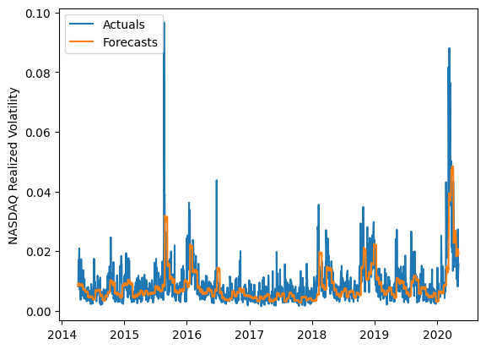
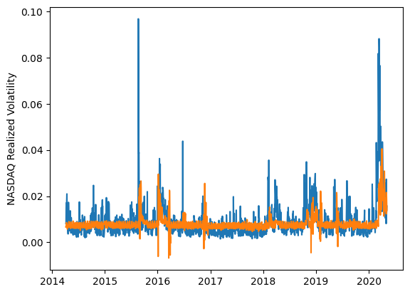
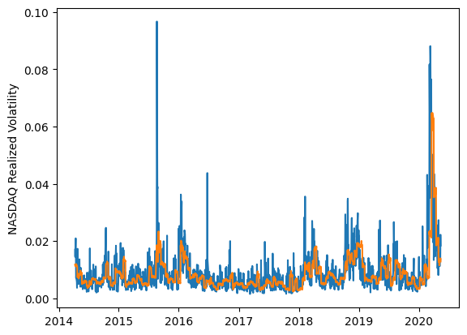
 | LSTM |  |  | TCN |  |  | NBEATSx |  |  |  |  | LSTM |  |  | TCN |  |  | NBEATSx
 | Accuracy | RMSE | Qlike | Accuracy | RMSE | Qlike | Accuracy | RMSE | Qlike |  |  | Accuracy | RMSE | Qlike | Accuracy | RMSE | Qlike | Accuracy | RMSE | Qlike
Trial 1 | 58.65% | 0.368% | 0.161 | 35.97% | 0.450% | 0.223 | 55.61% | 0.378% | 0.152 |  | Mean | 49.09% | 0.393% | 0.149 | 41.36% | 0.422% | 0.204 | 56.02% | 0.377% | 0.153
Trial 2 | 48.73% | 0.396% | 0.136 | 48.35% | 0.393% | 0.174 | 55.71% | 0.378% | 0.150 |  | Standard Deviation | 13.32% | 0.045% | 0.018 | 6.51% | 0.023% | 0.028 | 0.67% | 0.004% | 0.003
Trial 3 | 56.97% | 0.369% | 0.151 | 50.91% | 0.404% | 0.171 | 56.44% | 0.374% | 0.151 |  | 95% CI upper bound | 75.73% | 0.483% | 0.186 | 54.37% | 0.468% | 0.260 | 57.36% | 0.384% | 0.159
Trial 4 | 59.77% | 0.370% | 0.174 | 41.72% | 0.412% | 0.196 | 54.89% | 0.384% | 0.159 |  | 95% CI lower bound | 22.46% | 0.303% | 0.112 | 28.35% | 0.376% | 0.149 | 54.68% | 0.370% | 0.148
Trial 5 | 57.13% | 0.378% | 0.163 | 43.44% | 0.406% | 0.190 | 56.54% | 0.373% | 0.149 |  | 99.7% CI upper bound | 89.05% | 0.528% | 0.204 | 60.88% | 0.490% | 0.288 | 58.03% | 0.388% | 0.161
Trial 6 | 47.20% | 0.395% | 0.136 | 42.72% | 0.427% | 0.204 | 56.09% | 0.378% | 0.156 |  | 99.7% CI lower bound | 9.14% | 0.257% | 0.093 | 21.85% | 0.353% | 0.121 | 54.01% | 0.366% | 0.145
Trial 7 | 37.07% | 0.424% | 0.143 | 39.96% | 0.427% | 0.214 | 56.21% | 0.376% | 0.154
Trial 8 | 6.15% | 0.546% | 0.196 | 34.94% | 0.450% | 0.239 | 56.55% | 0.374% | 0.149
Trial 9 | 52.38% | 0.381% | 0.139 | 39.73% | 0.426% | 0.211 | 55.99% | 0.377% | 0.154
Trial 10 | 48.79% | 0.385% | 0.134 | 46.28% | 0.397% | 0.184 | 55.04% | 0.381% | 0.154
Trial 11 | 46.17% | 0.389% | 0.133 | 44.16% | 0.405% | 0.187 | 54.91% | 0.383% | 0.157
Trial 12 | 57.13% | 0.360% | 0.138 | 33.24% | 0.443% | 0.244 | 57.03% | 0.372% | 0.153
Trial 13 | 55.54% | 0.365% | 0.139 | 44.56% | 0.412% | 0.188 | 56.04% | 0.377% | 0.155
Trial 14 | 54.77% | 0.387% | 0.156 | 26.53% | 0.472% | 0.265 | 56.54% | 0.375% | 0.154
Trial 15 | 49.98% | 0.379% | 0.130 | 47.92% | 0.406% | 0.176 | 56.72% | 0.374% | 0.153

 | LSTM (best trial) |  |  |  |  |  |  |  |  | TCN (best trial) |  |  |  |  |  |  |  |  | NBEATSx (best trial)

